Sheet1
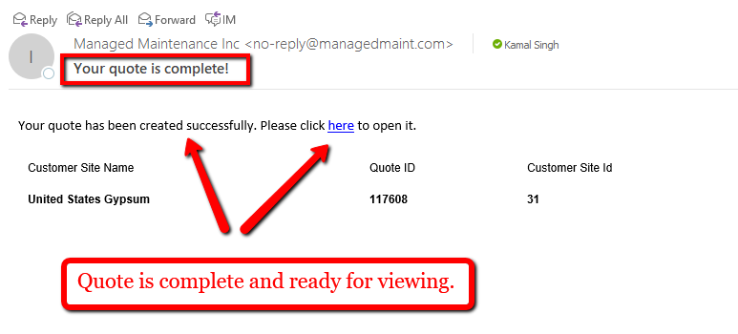
Steps | Agreement Quote automation End to End

1 | To get started, the system will first get the Se URL and then log in to the Schneider Portal with the SE username and password. The system will click the login button to continue.

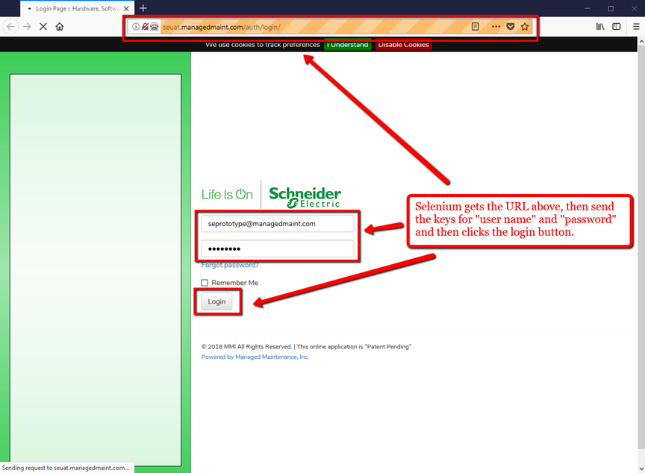

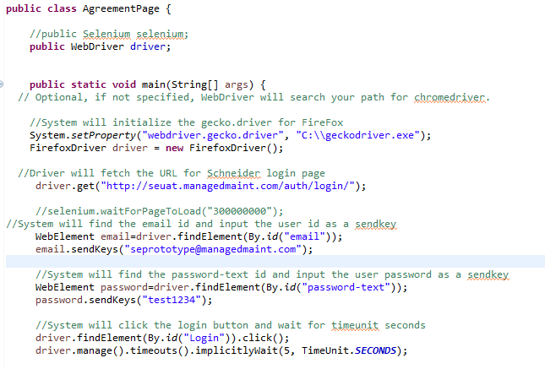

2 | Once the system has logged in, the driver will fetch and click the installed Base tab (topmenuitem_1).

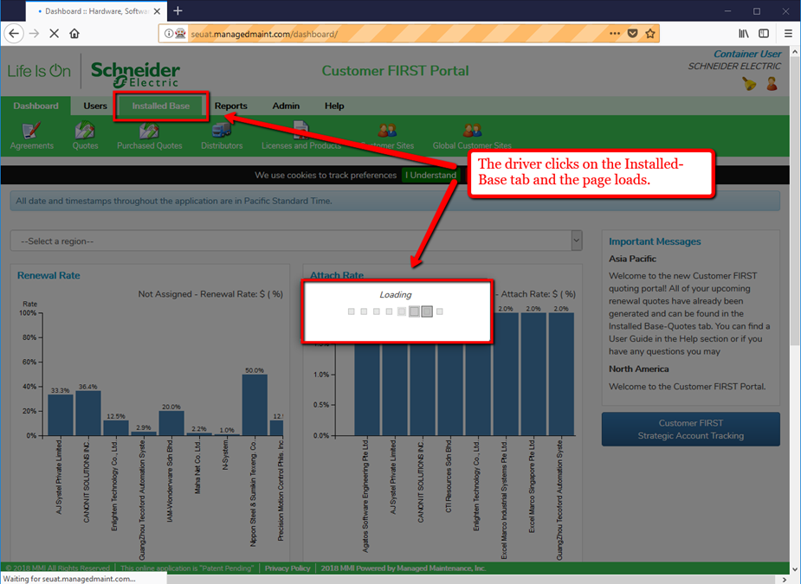

3 | The system now waits 10 seconds and then moves forward to click the Agreements tab (submenulink_31).

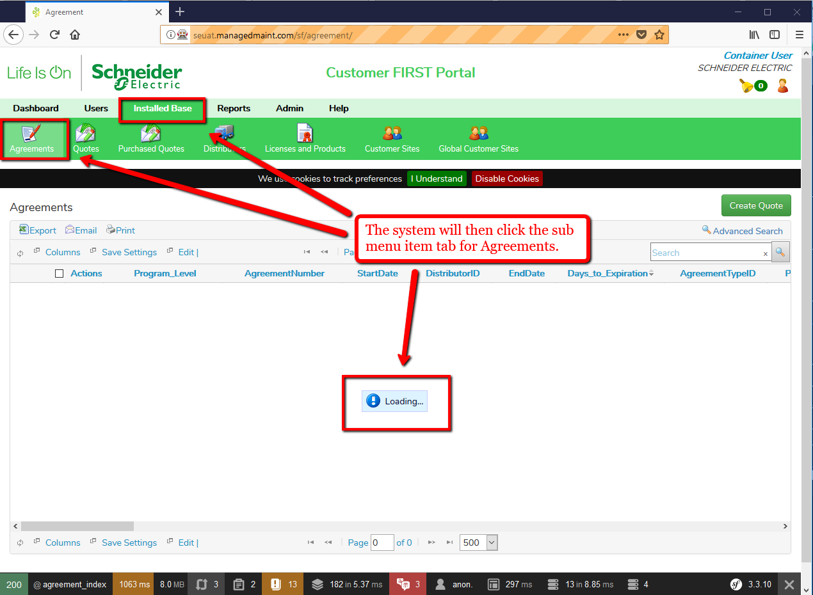

4 | The system will print out the page title: Agreement on the console and then select the quote ID and click the "Create Quote" button.

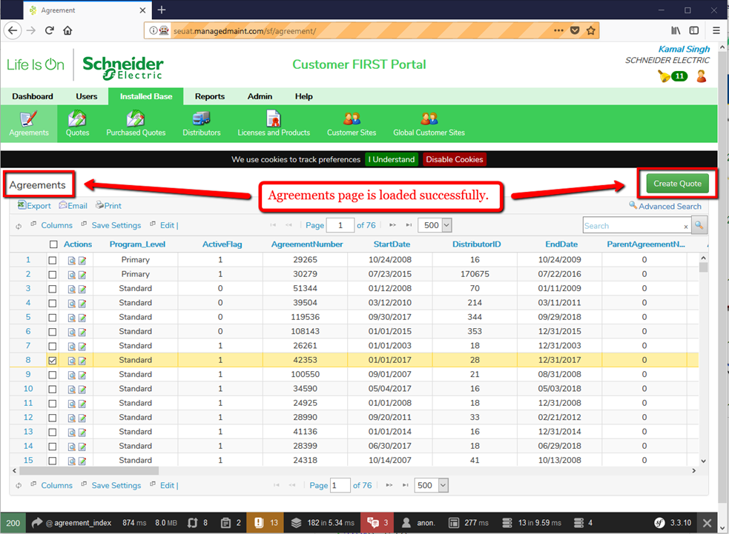

5 | Next, the "Select the Parant Agreement (optional) page will pop up. The system will skip the optional checkbox and click the "continue" button.

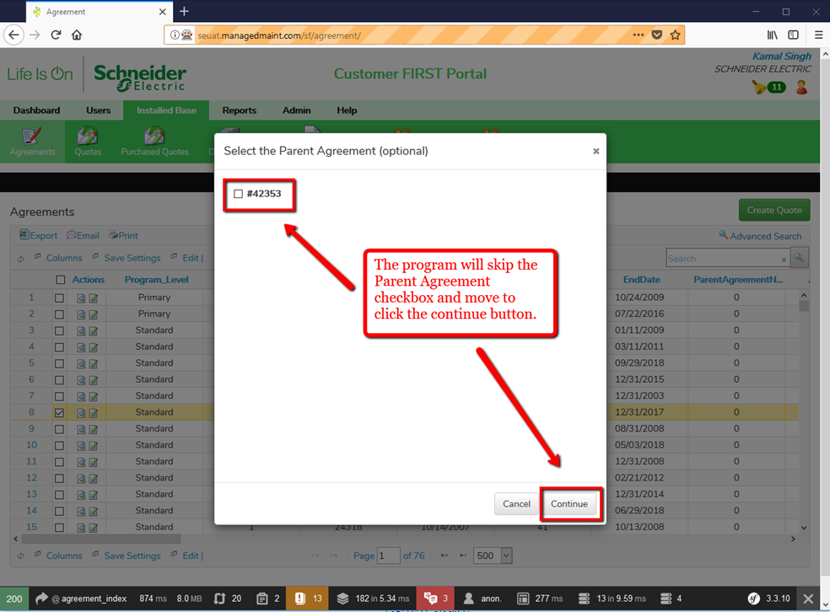

6 | The program will disregard the quote warnings and move forward to click continue again.

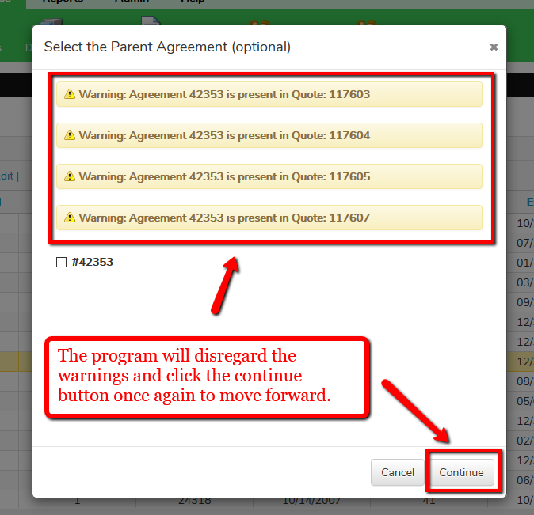

7 | Now, the alert box will pop up for quote process confirmation. The program uses an alert method to find the xpath in order to click the "OK" button.

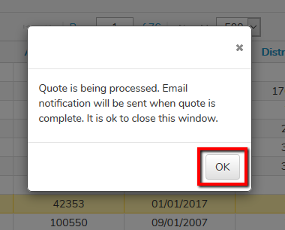

8 | The quote is complete and sent to email.

Sheet2






